FF RS
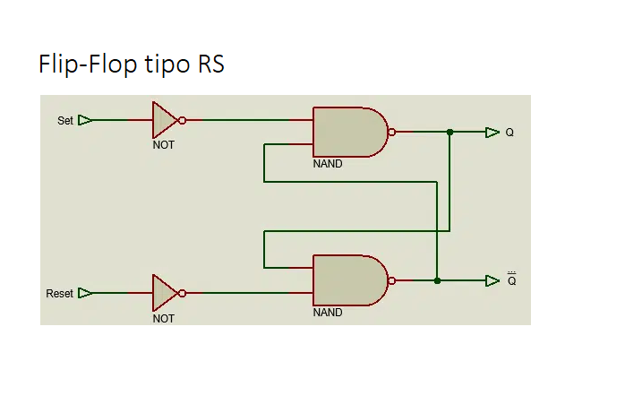
R | S | R- (NOT) | S - (NOT) | Q | Q (NOT)

1 | 0 | 0 | 1 | 0 | 1

0 | 1 | 1 | 0 | 1 | 0

0 | 0 | 1 | 1 | 1 | 0

1 | 1 | 0 | 0 | 1 | 1

